unprotected
User Input | VBIAS | 1.21 | V |  |  |  |  |  |  |  | NICHT VERWENDET / BENÖTIGT |  |  |  |  | NICHT VERWENDET / BENÖTIGT
Fixed
 | Comparator threshold for VSTOR of charger. |  |  |  |  | Comparator threshold voltages indicating when |  |  |  |  | For the bq25570 only, comparator threshold |  |  |  |  | Maximum power point threshold, e.g. ~0.7-0.8 of
 | Typically the max storage element voltage, |  |  |  |  | VSTOR has risen above VBAT_OK_HYST or fallen |  |  |  |  | for VOUT of buck converter. |  |  |  |  | solar panel's open circuit voltage.
 | e.g. 4.2V for LiIon battery. |  |  |  |  | below VBAT_OK.
 | VBAT_UV < VBAT_OV < 5.5V |  |  |  |  | VBAT_OV > VBAT_OK_HYST > VBAT_UV |  |  |  |  | 1.3V < VOUT < VBAT_OV |  |  |  |  | MPPT
Desired |  |  |  |  |  | RSUM1 | 13 | MW |  |  |  |  |  |  |  | RSUM1 | 20 | MW
Desired | RSUM1 | 14 | MW |  |  | VBAT_OK | 2.5 | V | > VBAT_UV |  | RSUM1 | 13 | MW |  |  | VIN_DC(OC) | 1 | V | Open Circuit Volts
Desired | VBAT_OV | 4.1 | V |  |  | VBAT_OK_HYST | 2.7 | V | > VBAT_OK |  | VOUT | 1.3 | V |  |  | VREF_SAMP | 0.9 | V | MPP voltage

 |  |  |  |  |  |  |  | closest 1% resistor1 |  |  |  |  |  |  |  |  |  | closest 1% resistor1
 |  |  | closest 1% resistor1 |  |  |  | Exact | < | > |  |  |  | closest 1% resistor1 |  |  |  | Exact | < | >
Computed |  | Exact | < | > |  | ROK1 | 5.826 | 5.760 | 5.900 | MW |  | Exact | < | > |  | ROC1 | 8.000 | 7.870 | 8.060 | MW
Computed | ROV1 | 6.198 | 6.190 | 6.340 | MW | ROK2 | 6.211 | 6.190 | 6.340 | MW | ROUT1 | 2.100 | 2.050 | 2.100 | MW | +10MEG2 | 10.000 | 10.000 | 10.000 | MW
Computed | ROV2 | 7.802 | 7.680 | 7.870 | MW | ROK3 | 0.963 | 0.953 | 0.976 | MW | +10MEG2 | 10.000 | 10.000 | 10.000 | MW | ROC2 | 2.000 | 2.000 | 2.050 | MW
Computed | VBAT_OV |  | 4.067 | 4.068 | V | VBAT_OK |  | 2.510 | 2.510 | V | ROUT2 | 0.900 | 0.887 | 0.909 | MW | +10MEG2 | 0.000 | 0.000 | 0.000 | MW
Computed |  |  |  |  |  | VBAT_OK_HYST |  | 2.711 | 2.710 | V | VOUT |  | 1.299 | 1.301 | V | VREF SAMP |  | 0.899 | 0.898 | V

Selected | ROV1 | 6.19 | MW |  |  | ROK1 | 5.9 | MW |  |  | ROUT1 | 2.1 | MW |  |  | ROC1 | 8 | MW
Selected | ROV2 | 7.68 | MW |  |  | ROK2 | 6.34 | MW |  |  | '+10MEG2 | 10.00 | MW |  |  | +10MEG2 | 10.000 | MW
Selected |  |  |  |  |  | ROK3 | 1 | MW |  |  | ROUT2 | 0.9 | MW |  |  | ROC2 | 2 | MW
 |  |  |  |  |  |  |  |  |  |  |  |  |  |  |  | +10MEG2 | 0.000 | MW
Typ voltage3 | VBAT_OV(typ) | 4.067 | V | -0.81 | % diff | VBAT_OK (typ) | 2.510 | V | 0.41 | % diff | VOUT(typ) | 1.300 | 0.00 | % diff
Typ voltage3 |  |  |  |  |  | VBAT_OK_HYST (typ) | 2.715 | V | 0.56 | % diff |  |  |  |  |  | VREF_SAMP | 0.900 | V | 0.00 | % diff

 |  |  |  | 1If the available 1% resistors for the recommend resistor total (RSUM) produce too high of % difference, try using the closest 1% > and < resistor cross combo OR increasing or |  |  |  |  |  |  |  |  |  |  |  |  |  |  |  |  | 1% | 1%
 |  |  |  | decreasing RSUM in order to find a closer 1% resistor match OR adding 1 or more additional resistors and use two resistors in series that sum to the recommended value. |  |  |  |  |  |  |  |  |  |  |  |  |  |  |  |  | 10 | 10
 |  |  |  | 2Granularity of resistors values > 10 Mohm is greatly reduced so you may need to use a 10 Mohm resistor in series with a smaller resistor in order to achieve the desired resistance value. |  |  |  |  |  |  |  |  |  |  |  |  |  |  |  |  | 11 | 11
 |  |  |  | 3Total dc regulation accuracy is a function of VBIAS tolerance, resistor tolerance, line regulation, load regulation and output voltage ripple (i.e., output capacitance). |  |  |  |  |  |  |  |  |  |  |  |  |  |  |  |  | 11.3 | 11.3
 |  |  |  |  |  |  |  |  |  |  |  |  |  |  |  |  |  |  |  |  | 12.7 | 12.4
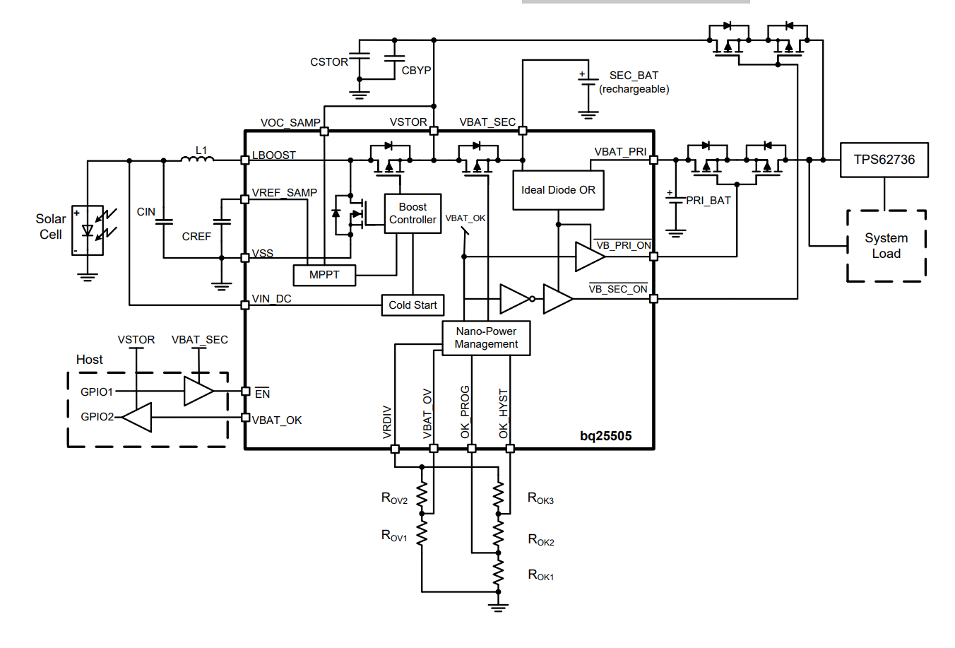
 |  |  |  |  |  |  |  |  |  |  |  |  |  |  |  |  |  |  |  |  | 13 | 12.7
 |  |  |  |  |  |  |  |  |  |  |  |  |  |  |  |  |  |  |  |  | 13.3 | 13
 |  |  |  |  |  |  |  |  |  |  |  |  |  |  |  |  |  |  |  |  | 13.7 | 13.3
 |  |  |  |  |  |  |  |  |  |  |  |  |  |  |  |  |  |  |  |  | 14 | 13.7
 |  |  |  |  |  |  |  |  |  |  |  |  |  |  |  |  |  |  |  |  | 14.3 | 14
 |  |  |  |  |  |  |  |  |  |  |  |  |  |  |  |  |  |  |  |  | 14.7 | 14.3
 |  |  |  |  |  |  |  |  |  |  |  |  |  |  |  |  |  |  |  |  | 15 | 14.7
 |  |  |  |  |  |  |  |  |  |  |  |  |  |  |  |  |  |  |  |  | 15.4 | 15
 |  |  |  |  |  |  |  |  |  |  |  |  |  |  |  |  |  |  |  |  | 15.8 | 15.4
 |  |  |  |  |  |  |  |  |  |  |  |  |  |  |  |  |  |  |  |  | 16.2 | 15.8
 |  |  |  |  |  |  |  |  |  |  |  |  |  |  |  |  |  |  |  |  | 16.5 | 16
 |  |  |  |  |  |  |  |  |  |  |  |  |  |  |  |  |  |  |  |  | 16.9 | 16.2
 |  |  |  |  |  |  |  |  |  |  |  |  |  |  |  |  |  |  |  |  | 17.4 | 16.5
 |  |  |  |  |  |  |  |  |  |  |  |  |  |  |  |  |  |  |  |  | 17.8 | 16.9
 |  |  |  |  |  |  |  |  |  |  |  |  |  |  |  |  |  |  |  |  | 18.2 | 17.4
 |  |  |  |  |  |  |  |  |  |  |  |  |  |  |  |  |  |  |  |  | 18.7 | 17.8
 |  |  |  |  |  |  |  |  |  |  |  |  |  |  |  |  |  |  |  |  | 19.1 | 18
 |  |  |  |  |  |  |  |  |  |  |  |  |  |  |  |  |  |  |  |  | 19.6 | 18.2
 |  |  |  |  |  |  |  |  |  |  |  |  |  |  |  |  |  |  |  |  | 20 | 18.7
 |  |  |  |  |  |  |  |  |  |  |  |  |  |  |  |  |  |  |  |  | 20.5 | 19.1
 |  |  |  |  |  |  |  |  |  |  |  |  |  |  |  |  |  |  |  |  | 21 | 19.6
 |  |  |  |  |  |  |  |  |  |  |  |  |  |  |  |  |  |  |  |  | 21.5 | 20
 |  |  |  |  |  |  |  |  |  |  |  |  |  |  |  |  |  |  |  |  | 22.1 | 20.5
 |  |  |  |  |  |  |  |  |  |  |  |  |  |  |  |  |  |  |  |  | 22.6 | 21
 |  |  |  |  |  |  |  |  |  |  |  |  |  |  |  |  |  |  |  |  | 23.2 | 21.5
 |  |  |  |  |  |  |  |  |  |  |  |  |  |  |  |  |  |  |  |  | 23.7 | 22
 |  |  |  |  |  |  |  |  |  |  |  |  |  |  |  |  |  |  |  |  | 24.3 | 22.1
 |  |  |  |  |  |  |  |  |  |  |  |  |  |  |  |  |  |  |  |  | 24.9 | 22.6
 |  |  |  |  |  |  |  |  |  |  |  |  |  |  |  |  |  |  |  |  | 25.5 | 23.2
 |  |  |  |  |  |  |  |  |  |  |  |  |  |  |  |  |  |  |  |  | 26.1 | 23.7
 |  |  |  |  |  |  |  |  |  |  |  |  |  |  |  |  |  |  |  |  | 26.7 | 24.3
 |  |  |  |  |  |  |  |  |  |  |  |  |  |  |  |  |  |  |  |  | 27.4 | 24.9
 |  |  |  |  |  |  |  |  |  |  |  |  |  |  |  |  |  |  |  |  | 28 | 25.5
 |  |  |  |  |  |  |  |  |  |  |  |  |  |  |  |  |  |  |  |  | 28.7 | 26.1
 |  |  |  |  |  |  |  |  |  |  |  |  |  |  |  |  |  |  |  |  | 29.4 | 26.7
 |  |  |  |  |  |  |  |  |  |  |  |  |  |  |  |  |  |  |  |  | 30.1 | 27
 |  |  |  |  |  |  |  |  |  |  |  |  |  |  |  |  |  |  |  |  | 30.9 | 27.4
 |  |  |  |  |  |  |  |  |  |  |  |  |  |  |  |  |  |  |  |  | 31.6 | 28
 |  |  |  |  |  |  |  |  |  |  |  |  |  |  |  |  |  |  |  |  | 32.4 | 28.7
 |  |  |  |  |  |  |  |  |  |  |  |  |  |  |  |  |  |  |  |  | 33.2 | 29.4
 |  |  |  |  |  |  |  |  |  |  |  |  |  |  |  |  |  |  |  |  | 34 | 30
 |  |  |  |  |  |  |  |  |  |  |  |  |  |  |  |  |  |  |  |  | 34.8 | 30.1
 |  |  |  |  |  |  |  |  |  |  |  |  |  |  |  |  |  |  |  |  | 35.7 | 30.9
 |  |  |  |  |  |  |  |  |  |  |  |  |  |  |  |  |  |  |  |  | 36.5 | 31.6
 |  |  |  |  |  |  |  |  |  |  |  |  |  |  |  |  |  |  |  |  | 37.4 | 32.4
 |  |  |  |  |  |  |  |  |  |  |  |  |  |  |  |  |  |  |  |  | 38.3 | 33
 |  |  |  |  |  |  |  |  |  |  |  |  |  |  |  |  |  |  |  |  | 39.2 | 33.2
 |  |  |  |  |  |  |  |  |  |  |  |  |  |  |  |  |  |  |  |  | 40.2 | 34
 |  |  |  |  |  |  |  |  |  |  |  |  |  |  |  |  |  |  |  |  | 41.2 | 34.8
 |  |  |  |  |  |  |  |  |  |  |  |  |  |  |  |  |  |  |  |  | 42.2 | 35.7
 |  |  |  |  |  |  |  |  |  |  |  |  |  |  |  |  |  |  |  |  | 43.2 | 36
 |  |  |  |  |  |  |  |  |  |  |  |  |  |  |  |  |  |  |  |  | 44.2 | 36.5
 |  |  |  |  |  |  |  |  |  |  |  |  |  |  |  |  |  |  |  |  | 45.3 | 37.4
 |  |  |  |  |  |  |  |  |  |  |  |  |  |  |  |  |  |  |  |  | 46.4 | 38.3
 |  |  |  |  |  |  |  |  |  |  |  |  |  |  |  |  |  |  |  |  | 47.5 | 39
 |  |  |  |  |  |  |  |  |  |  |  |  |  |  |  |  |  |  |  |  | 48.7 | 39.2
 |  |  |  |  |  |  |  |  |  |  |  |  |  |  |  |  |  |  |  |  | 49.9 | 40.2
 |  |  |  |  |  |  |  |  |  |  |  |  |  |  |  |  |  |  |  |  | 51.1 | 41.2
 |  |  |  |  |  |  |  |  |  |  |  |  |  |  |  |  |  |  |  |  | 52.3 | 42.2
 |  |  |  |  |  |  |  |  |  |  |  |  |  |  |  |  |  |  |  |  | 53.6 | 43
 |  |  |  |  |  |  |  |  |  |  |  |  |  |  |  |  |  |  |  |  | 54.9 | 43.2
 |  |  |  |  |  |  |  |  |  |  |  |  |  |  |  |  |  |  |  |  | 56.2 | 44.2
 |  |  |  |  |  |  |  |  |  |  |  |  |  |  |  |  |  |  |  |  | 57.6 | 45.3
 |  |  |  |  |  |  |  |  |  |  |  |  |  |  |  |  |  |  |  |  | 59 | 46.4
 |  |  |  |  |  |  |  |  |  |  |  |  |  |  |  |  |  |  |  |  | 60.4 | 47
 |  |  |  |  |  |  |  |  |  |  |  |  |  |  |  |  |  |  |  |  | 61.9 | 47.5
 |  |  |  |  |  |  |  |  |  |  |  |  |  |  |  |  |  |  |  |  | 63.4 | 48.7
 |  |  |  |  |  |  |  |  |  |  |  |  |  |  |  |  |  |  |  |  | 64.9 | 49.9
 |  |  |  |  |  |  |  |  |  |  |  |  |  |  |  |  |  |  |  |  | 66.5 | 51
 |  |  |  |  |  |  |  |  |  |  |  |  |  |  |  |  |  |  |  |  | 68.1 | 51.1
 |  |  |  |  |  |  |  |  |  |  |  |  |  |  |  |  |  |  |  |  | 69.8 | 52.3
 |  |  |  |  |  |  |  |  |  |  |  |  |  |  |  |  |  |  |  |  | 71.5 | 53.6
 |  |  |  |  |  |  |  |  |  |  |  |  |  |  |  |  |  |  |  |  | 73.2 | 54.9
 |  |  |  |  |  |  |  |  |  |  |  |  |  |  |  |  |  |  |  |  | 75 | 56
 |  |  |  |  |  |  |  |  |  |  |  |  |  |  |  |  |  |  |  |  | 76.8 | 56.2
 |  |  |  |  |  |  |  |  |  |  |  |  |  |  |  |  |  |  |  |  | 78.7 | 57.6
 |  |  |  |  |  |  |  |  |  |  |  |  |  |  |  |  |  |  |  |  | 80.6 | 59
 |  |  |  |  |  |  |  |  |  |  |  |  |  |  |  |  |  |  |  |  | 82.5 | 60.4
 |  |  |  |  |  |  |  |  |  |  |  |  |  |  |  |  |  |  |  |  | 84.5 | 61.9
 |  |  |  |  |  |  |  |  |  |  |  |  |  |  |  |  |  |  |  |  | 86.6 | 62
 |  |  |  |  |  |  |  |  |  |  |  |  |  |  |  |  |  |  |  |  | 88.7 | 63.4
 |  |  |  |  |  |  |  |  |  |  |  |  |  |  |  |  |  |  |  |  | 90.9 | 64.9
 |  |  |  |  |  |  |  |  |  |  |  |  |  |  |  |  |  |  |  |  | 93.1 | 66.5
 |  |  |  |  |  |  |  |  |  |  |  |  |  |  |  |  |  |  |  |  | 95.3 | 68
 |  |  |  |  |  |  |  |  |  |  |  |  |  |  |  |  |  |  |  |  | 97.6 | 68.1
 |  |  |  |  |  |  |  |  |  |  |  |  |  |  |  |  |  |  |  |  | 100 | 69.8
 |  |  |  |  |  |  |  |  |  |  |  |  |  |  |  |  |  |  |  |  |  | 71.5
 |  |  |  |  |  |  |  |  |  |  |  |  |  |  |  |  |  |  |  |  |  | 73.2
 |  |  |  |  |  |  |  |  |  |  |  |  |  |  |  |  |  |  |  |  |  | 75
 |  |  |  |  |  |  |  |  |  |  |  |  |  |  |  |  |  |  |  |  |  | 76.8
 |  |  |  |  |  |  |  |  |  |  |  |  |  |  |  |  |  |  |  |  |  | 78.7
 |  |  |  |  |  |  |  |  |  |  |  |  |  |  |  |  |  |  |  |  |  | 80.6
 |  |  |  |  |  |  |  |  |  |  |  |  |  |  |  |  |  |  |  |  |  | 82
 |  |  |  |  |  |  |  |  |  |  |  |  |  |  |  |  |  |  |  |  |  | 82.5
 |  |  |  |  |  |  |  |  |  |  |  |  |  |  |  |  |  |  |  |  |  | 84.5
 |  |  |  |  |  |  |  |  |  |  |  |  |  |  |  |  |  |  |  |  |  | 86.6
 |  |  |  |  |  |  |  |  |  |  |  |  |  |  |  |  |  |  |  |  |  | 88.7
 |  |  |  |  |  |  |  |  |  |  |  |  |  |  |  |  |  |  |  |  |  | 90.9
 |  |  |  |  |  |  |  |  |  |  |  |  |  |  |  |  |  |  |  |  |  | 91
 |  |  |  |  |  |  |  |  |  |  |  |  |  |  |  |  |  |  |  |  |  | 93.1
 |  |  |  |  |  |  |  |  |  |  |  |  |  |  |  |  |  |  |  |  |  | 95.3
 |  |  |  |  |  |  |  |  |  |  |  |  |  |  |  |  |  |  |  |  |  | 97.6
 |  |  |  |  |  |  |  |  |  |  |  |  |  |  |  |  |  |  |  |  |  | 100

